CAMION 5
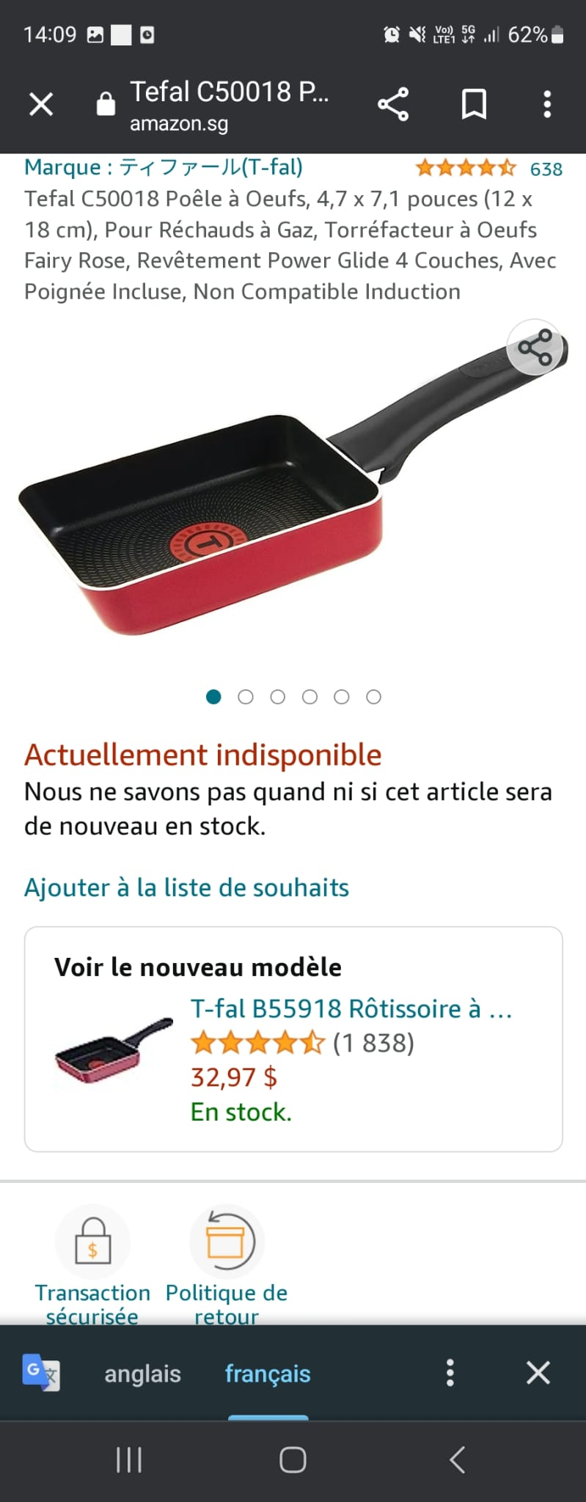
Articles | GAZ/ TOUS FEUX | INDUCTION | CERAMIQUE | CERAMIQUE INDUCTION | Totals
pan 18cm | 13 |  |  |  | 13 | Below is an example of the Egg roasters
pan 20cm | 226 | 48 |  | 5 | 279
Pan 22cm | 81 | 6 |  |  | 87
pan 24cm | 360 | 295 |  | 42 | 697
pan 26cm | 204 | 4 |  |  | 208
pan 28cm | 417 | 111 |  | 263 | 791
pan 30cm | 104 | 7 |  |  | 111
pan 32cm | 162 | 4 |  |  | 166
Wok pan 28cm | 192 | 263 |  | 81 | 536
Pans various diameter | 48 | 13 |  |  | 61
Sauté pans all diameter | 31 | 2 |  |  | 33
Various diameter casseroles | 22 | 12 |  |  | 34
Pancake pans various diameter | 1064 | 12 |  |  | 1,076
Wok 22cm | 7 | 3 |  |  | 10
Milk pot | 71 |  |  |  | 71
Wok 26cm | 21 | 10 |  |  | 31
WOK 24cm | 7 |  |  |  | 7
TAWA 30/36cm | 111 |  |  |  | 111
KNIFE SHARPENER |  |  |  |  | 0
WOK 32cm | 13 |  |  |  | 13
BLINIS STOVE | 41 | 41 |  |  | 82
AVOCADO SLICE |  |  |  |  | 0
SPATULAS + LADLES |  |  |  |  | 0
PAINT BRUSHES |  |  |  |  | 0
SPREADER |  |  |  |  | 0
CV SILICONE 23CM |  |  |  |  | 0
Egg Roaster | 334 |  |  |  | 334
BLINI STOVES |  |  |  |  | 0
MOLDINGS | 171 |  |  |  | 171
OTHERS | 110 | 3 |  |  | 113
INGENIO |  |  |  |  |  | Ingenio style has a detachable handle like these below..
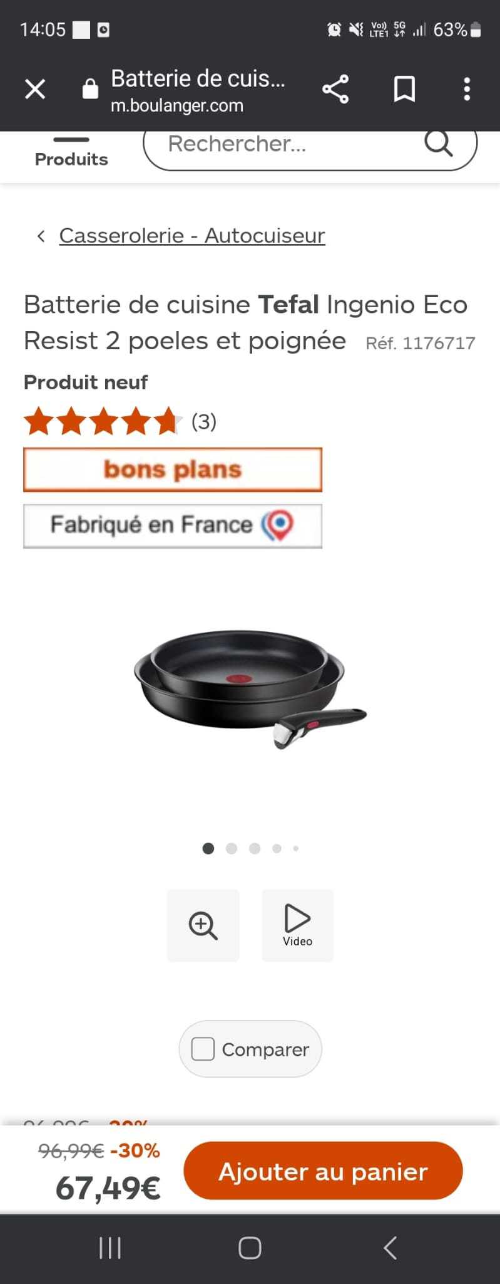
Pan 22cm | 72 | 962 |  | 31 | 1,065
pan 24cm | 2 | 10 |  |  | 12
pan 26cm | 85 | 21 |  |  | 106
pan 28cm | 28 | 977 |  | 15 | 1,020
pan 30cm |  |  |  |  | 0
wok 28cm | 28 |  |  |  | 28
pan 16cm | 23 | 184 |  |  | 207
saucepan 18cm | 3 | 369 |  | 33 | 405
20/22cm pan | 69 | 23 |  | 40 | 132
24/26cm jumper |  | 3 |  | 2 | 5
egg roaster | 240 |  |  |  | 240
wok 26cm | 56 | 153 |  |  | 209
 | 4416 | 3536 | 0 | 512 | 8,464

